Sheet1
Default Slicer
Country | Total Sales
India | 50000
United | 20000
UnitedK ing | 10000 | Output
Canada | 5000
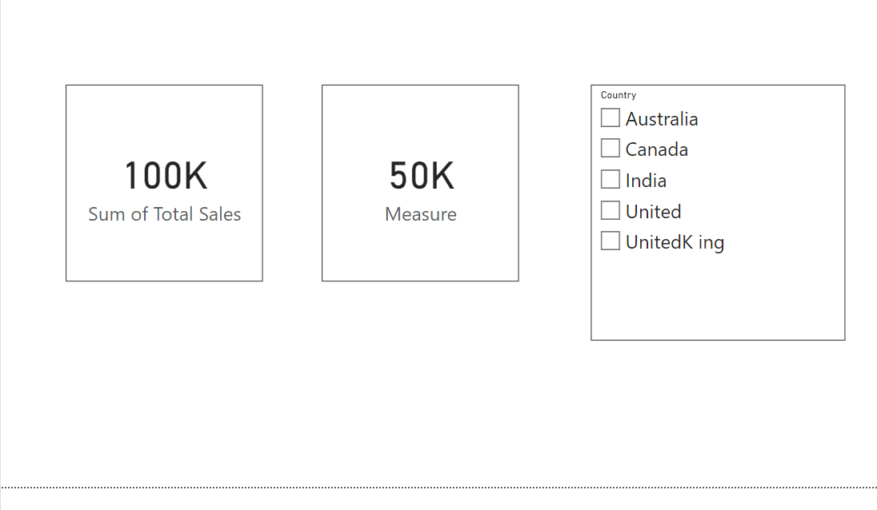
Australia | 15000

